1.4.1 Fig-Royalty Yield Series
Patent Royalties as % of Value of Mobile (Smart and Feature) Phones Shipped, 2007-2016
 | Total, Firms Covered Since 2007 as % Mobile Phone Revenues | Total, Firms Covered Since 2009 as % Mobile Phone Revenues
2007 | 02%
2008 | 02%
2009 | 03% | 0.031316140176
2010 | 02% | 0.028412492046
2011 | 03% | 0.034185640667
2012 | 03% | 0.033464078777
2013 | 03% | 0.034545492427
2014 | 03% | 0.033828498615
2015 | 03% | 0.031270145227
2016 | 03% | 0.030880450661

1.5.2 Economic Summary 2016
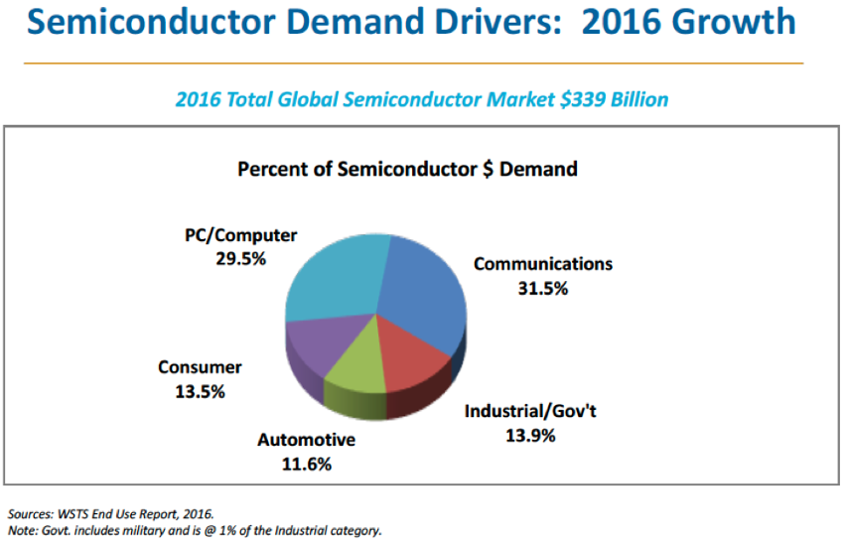
Economic Summary 2016
Economic Summary 2016

Estimated Mobile Phones Revenues & Costs (FY2016)

Category | Metric | Amount ($m US) | % | Notes | Assumption
Revenues | Mobile phone revenues | $425,100 |  | IDC | $425,100
Costs | Royalties | $14,192 | 3.3% | Calculated | $14,192
 | Baseband processor cost | $21,807 | 5.1% | ASP (Table 2, ABI Research Mobile Device Semics, Q3, 2016) | $14.80
 | Other semiconductor costs | $84,978 | 20.0% | WSTS, End Use Report, 2016 | $106,785
 | Other costs | $254,133 | 59.8% | Inferred
Profits | Manufacturer's operating profits | $49,990 | 11.8% | Tim Long, BMO, Q2 2017 | $49,990
 |  | $425,100 | 100.0%

1.5.3 Fig-Economic Summary 2016
Breakdown of the average selling wholesale price of a mobile phone (in 2016)
Royalties | $14191.623
Baseband processor cost | $21807.208
Other semiconductor costs | $84977.792
Other costs | $254133.377
Manufacturer's operating profits | $49990.0

